Dashboard
Product Dashboard
Name of Scheme | Angel One Nifty Total Market Index Fund | Angel One Nifty Total Market ETF | Angel One Nifty 1D Rate Liquid ETF - Growth | Angel One Nifty 50 Index Fund | Angel One Nifty 50 ETF | Angel One Gold ETF | Angel One Gold ETF FOF | Angel One Nifty Total Market Momentum Quality 50 Index Fund | Angel One Nifty Total Market Momentum Quality 50 ETF | Angel One Silver ETF | Angel One Silver ETF FOF
Type of the Scheme | An open-ended scheme replicating/tracking Nifty Total Market Index | An open-ended scheme replicating/tracking Nifty Total Market Index | An open-ended scheme replicating/tracking Nifty 1D Rate Index. A relatively low interest rate risk and relatively low credit risk | An open-ended scheme replicating/tracking Nifty 50 Index | An open-ended scheme replicating/tracking Nifty 50 Index | An open-ended scheme replicating/tracking domestic price of Gold | An open-ended fund of fund scheme investing in units of Angel One Gold ETF | An open-ended scheme replicating/tracking Nifty Total Market Momentum Quality 50 Index | An open-ended scheme replicating/tracking Nifty Total Market Momentum Quality 50 Index | An open-ended scheme replicating/tracking domestic price of Silver | An open-ended scheme replicating/tracking domestic price of Silver
Scheme Code | AOMF/O/O/EIN/24/12/0001 | AOMF/O/O/EET/25/01/0002 | AOMF/O/O/DET/25/02/0003 | AOMF/O/O /EIN/25/02/0005 | AOMF/O/O /EET/25/02/0004 | AOMF/O/O/GET/25/07/0006 | AOMF/O/O/FOD/25/07/0007 | AOMF/O/O/EIN/25/09/0008 | AOMF/O/O/EET/25/09/0009 | AOMF/O/O/OET/25/11/0010 | AOMF/O/O/FOD/25/12/0011
NSE Scrip Code | Not applicable | AONETOTAL | AONELIQUID | Not applicable | AONENIFTY | AONEGOLD | Not applicable | Not applicable | AONETMMQ50 | AONESILVER | Not applicable
Investment Objective | The investment objective of the Scheme is to replicate Nifty Total Market Index with an aim to provide returns before expenses that track the total return of Nifty Total Market Index, subject to tracking errors. However, there can be no assurance or guarantee that the investment objective of the Scheme will be achieved. | The investment objective of the Scheme is to replicate Nifty Total Market Index with an aim to provide returns before expenses that track the total return of Nifty Total Market Index, subject to tracking errors. However, there can be no assurance or guarantee that the investment objective of the Scheme will be achieved. | The investment objective of the Scheme is to seek to provide current income, commensurate with low risk while providing a high level of liquidity through a portfolio of Tri-Party Repo on Government Securities or T-bills / Repo & Reverse Repo. The Scheme will provide returns before expenses, that track the total returns of Nifty 1D Rate Index, subject to tracking errors. However, there is no guarantee or assurance that the investment objective of the Scheme would be achieved. | The investment objective of the Scheme is to replicate Nifty 50 Index with an aim to provide returns before expenses that track the total return of Nifty 50 Index, subject to Tracking Errors. However, there can be no assurance or guarantee that the investment objective of the Scheme will be achieved. | The investment objective of the Scheme is to replicate Nifty 50 Index with an aim to provide returns before expenses that track the total return of Nifty 50 Index, subject to Tracking Errors. However, there can be no assurance or guarantee that the investment objective of the Scheme will be achieved. | The investment objective of the Scheme is to generate returns corresponding to the domestic price of gold before expenses, subject to tracking errors by investing in physical gold and gold related instruments. However, there can be no assurance or guarantee that the investment objective of the Scheme will be achieved. | The investment objective of the Scheme is to seek to generate returns by investing in units of Angel One Gold ETF. However, there can be no assurance or guarantee that the investment objective of the Scheme will be achieved | The investment objective of the Scheme is to replicate Nifty Total Market Momentum Quality 50 Index with an aim to provide returns before expenses, that track the total return of Nifty Total Market Momentum Quality 50 Index, subject to tracking errors. However, there can be no assurance or guarantee that the investment objective of the Scheme will be achieved. | The investment objective of the Scheme is to replicate Nifty Total Market Momentum Quality 50 Index with an aim to provide returns before expenses, that track the total return of Nifty Total Market Momentum Quality 50 Index, subject to tracking errors. However, there can be no assurance or guarantee that the investment objective of the Scheme will be achieved. | The investment objective of the Scheme is to generate returns corresponding to the domestic price of silver before expenses, subject to tracking errors by investing in physical silver and silver related instruments. However, there can be no assurance or guarantee that the investment objective of the Scheme will be achieved. | The investment objective of the Scheme is to seek to generate returns by investing in units of Angel One Silver ETF. However, there can be no assurance or guarantee that the investment objective of the Scheme will be achieved.
Plan/ Options | Regular Plan & Direct Plan. Each of the Plans offer Growth option. | The Scheme does not offer any Plan/ options. | The Scheme does not offer any Plan/ options. | Regular Plan & Direct Plan. Each of the Plans offer Growth option. | The Scheme does not offer any Plan/ options. | The Scheme does not offer any Plan/ options. | Regular Plan & Direct Plan. Each of the Plans offer Growth option. | Regular Plan & Direct Plan. Each of the Plans offer Growth option. | Regular Plan & Direct Plan. Each of the Plans offer Growth option. | The Scheme does not offer any Plan/ options. | Regular Plan & Direct Plan. Each of the Plans offer Growth option.
Scheme AUM | Rs. 58.02 crores | Rs.42.02 crores | Rs.277.68 crores | Rs. 31.87 crores | Rs. 21.76 crores | Rs. 83.39 crores | Rs. 31.77 crores | Rs. 33.62 crores | Rs. 7.03 crores | Rs. 25.57 crores | Rs. 10.04 crores
Inception Date | February 28, 2025 | February 28, 2025 | March 25, 2025 | May 22, 2025 | May 22, 2025 | September 05, 2025 | September 10, 2025 | November 21, 2025 | November 21, 2025 | February 24, 2026 | March 02, 2026
Benchmark | Nifty Total Market TRI | Nifty Total Market TRI | Nifty 1D Rate Index | Nifty 50 TRI | Nifty 50 TRI | Domestic price of gold | Domestic price of gold | Nifty Total Market Momentum Quality 50 TRI | Nifty Total Market Momentum Quality 50 TRI | Domestic price of Silver | Domestic price of Silver
Fund Manager | Mr. Mehul Dama & Mr.Kewal Shah | Mr. Mehul Dama & Mr.Kewal Shah | Mr. Mehul Dama & Mr.Kewal Shah | Mr. Mehul Dama & Mr.Kewal Shah | Mr. Mehul Dama & Mr.Kewal Shah | Mr. Mehul Dama & Mr.Kewal Shah | Mr. Mehul Dama & Mr.Kewal Shah | Mr. Mehul Dama & Mr.Kewal Shah | Mr. Mehul Dama & Mr.Kewal Shah | Mr. Mehul Dama & Mr.Kewal Shah | Mr. Mehul Dama & Mr.Kewal Shah
Tenure for which the Fund Manager has been managing the Scheme | Since inception | Since inception | Since inception | Since inception | Since inception | Since inception | Since inception | Since inception | Since inception | Since inception | Since inception
Exit Load | Nil | Nil | Nil | Nil | Nil | Nil | Nil | Nil | Nil | Nil | Nil
Expense Ratio | Regular Plan (%) : 0.88%, Direct Plan (%) :0.24 % | 0.24% | 0.23% | Regular Plan (%) : 0.59%, Direct Plan (%) : 0.17% | 0.08% | 0.30% | Regular Plan (%) : 0.58%, Direct Plan (%) :0.15% | Regular Plan (%) : 0.88%, Direct Plan (%) :0.29% | 0.29% | 0.30% | Regular Plan (%) : 0.58%, Direct Plan (%) :0.15%
Performance | Click Here | Click Here | Click Here | Click Here | Click Here | Click Here | Click Here | Since the Scheme has not completed 6 months since inception, performance disclosure is not applicable | Since the Scheme has not completed 6 months since inception, performance disclosure is not applicable | Since the Scheme has not completed 6 months since inception, performance disclosure is not applicable | Since the Scheme has not completed 6 months since inception, performance disclosure is not applicable
Portfolio | Angel One Nifty Total Market Index Fund | Angel One Nifty Total Market ETF | Angel One Nifty 1D Rate Liquid ETF - Growth | Angel One Nifty 50 Index Fund | Angel One Nifty 50 ETF | Angel One Gold ETF | Angel One Gold ETF FOF | Angel One Nifty Total Market Momentum Quality 50 Index Fund | Angel One Nifty Total Market Momentum Quality 50 ETF | Angel One Silver ETF | Angel One Silver ETF FOF
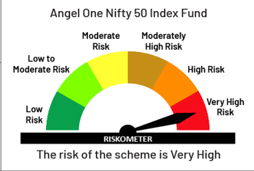
Fund Riskometer | 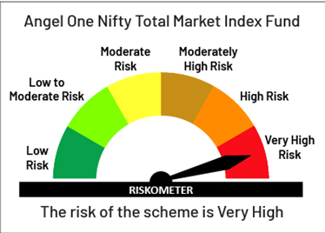 | 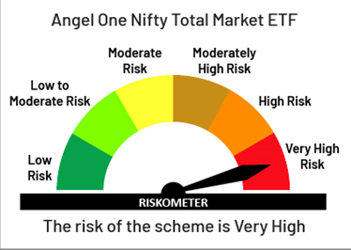 | 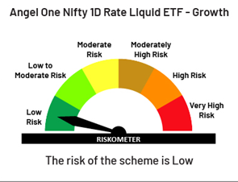 |  | 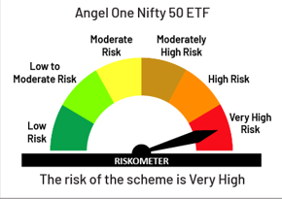 | 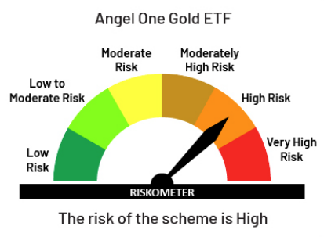 | 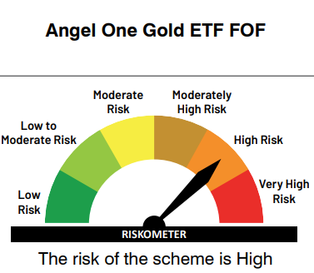 | 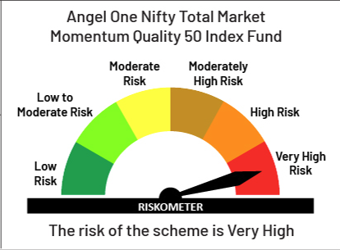 | 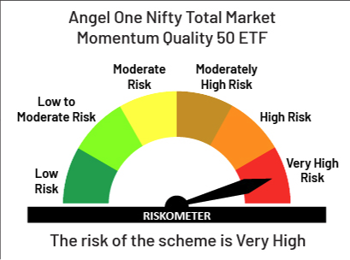 | 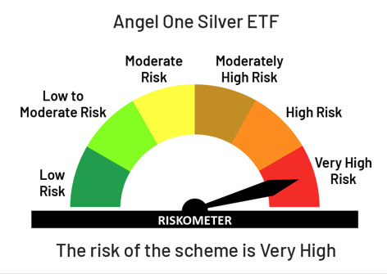 | 

Benchmark Riskometer |  |  | 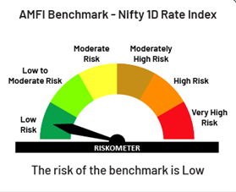 | 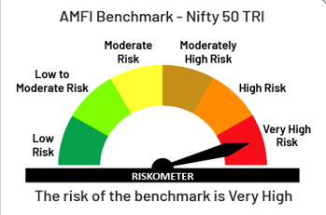 | 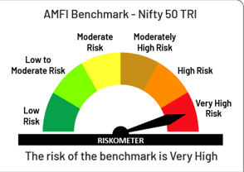 | 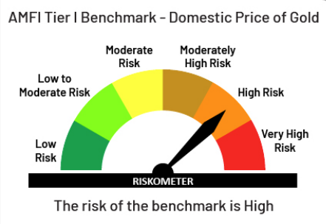 |  |  | 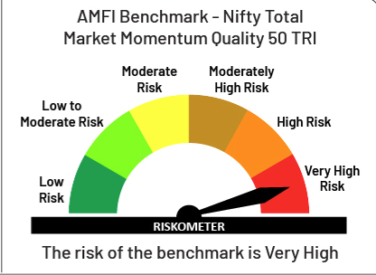 | 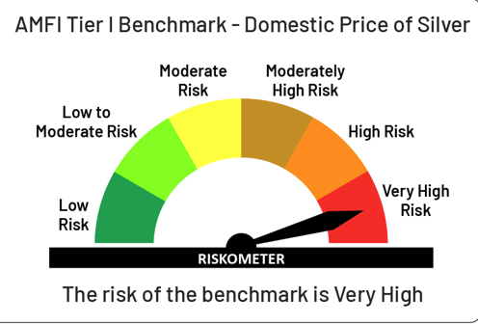 | 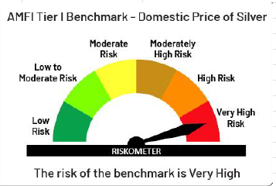

Product Labelling
 | This product is suitable for investors who are seeking*: | This product is suitable for investors who are seeking*: | This product is suitable for investors who are seeking*: | This product is suitable for investors who are seeking*: | This product is suitable for investors who are seeking*: | This product is suitable for investors who are seeking*: | This product is suitable for investors who are seeking*: | This product is suitable for investors who are seeking*: | This product is suitable for investors who are seeking*: | This product is suitable for investors who are seeking*: | This product is suitable for investors who are seeking*:

 | • Long term capital growth | • Long term capital growth | • Current income with high degree of liquidity | • Long term capital growth | • Long term capital growth | • Long term capital appreciation | • Long term capital appreciation | • Long term capital growth | • Long term capital growth | • Long term capital appreciation | • Long term capital appreciation
 | • Investment in equity and equity related securities constituting Nifty Total Market Index | • Investment in equity and equity related securities constituting Nifty Total Market Index | • Investment in Tri-Party Repo on Government securities or T-Bills / Repo & Reverse Repo and Money Market instruments | • Investment in equity and equity related securities constituting Nifty 50 Index | • Investment in equity and equity related securities constituting Nifty 50 Index | • Investment in gold in order to generate returns similar to the performance of domestic price of gold, subject to tracking errors | • Investment in the units of Angel One Gold ETF which further invests in physical gold | • Investment in equity and equity related securities constituting Nifty Total Market Momentum Quality 50 Index | • Investment in equity and equity related securities constituting Nifty Total Market Momentum Quality 50 Index | •Investment in silver in order to generate returns similar to the performance of domestic price of silver, subject to tracking errors | • Investment in the units of Angel One Silver ETF which further invests in physical Silver
 | *Investors should consult their financial advisers if in doubt about whether the product is suitable for them. | *Investors should consult their financial advisers if in doubt about whether the product is suitable for them. | *Investors should consult their financial advisers if in doubt about whether the product is suitable for them. | *Investors should consult their financial advisers if in doubt about whether the product is suitable for them. | *Investors should consult their financial advisers if in doubt about whether the product is suitable for them. | *Investors should consult their financial advisers if in doubt about whether the product is suitable for them. | *Investors should consult their financial advisers if in doubt about whether the product is suitable for them. | *Investors should consult their financial advisers if in doubt about whether the product is suitable for them. | *Investors should consult their financial advisers if in doubt about whether the product is suitable for them. | *Investors should consult their financial advisers if in doubt about whether the product is suitable for them. | *Investors should consult their financial advisers if in doubt about whether the product is suitable for them.

Please refer to the respective SIDs for disclaimers relating to NSE Indices Ltd. (for scheme indices) and NSE Ltd. (for scheme listing).

